Sheet1
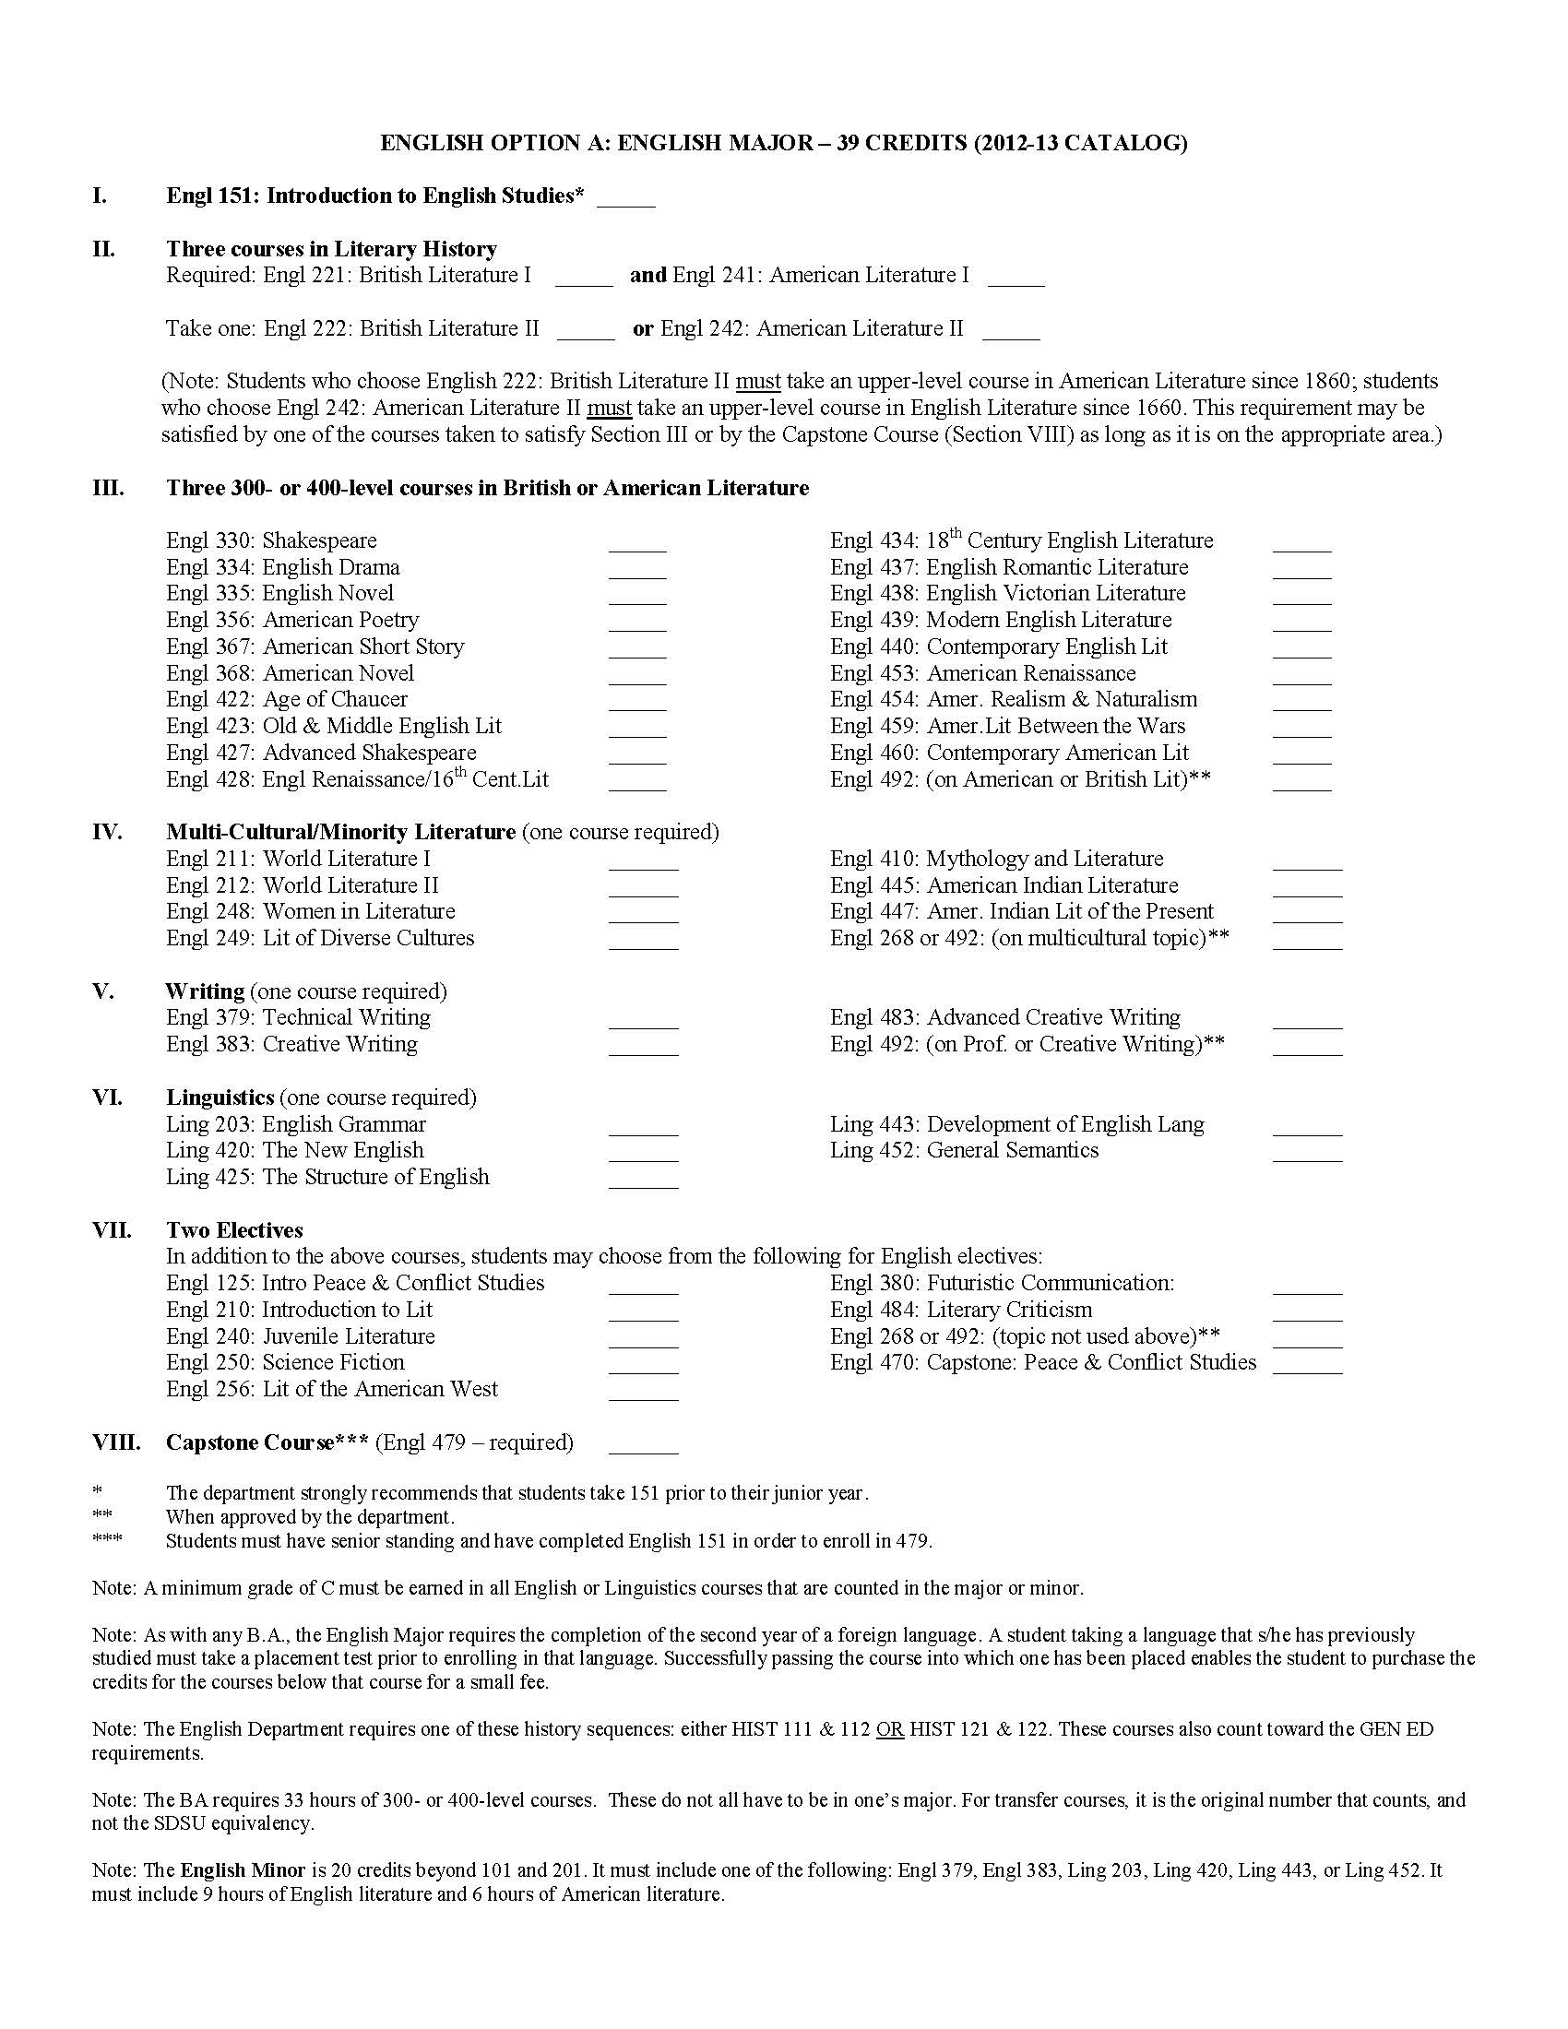
ENGLISH MAJOR REQUIREMENTS

