Guidesheet by goal
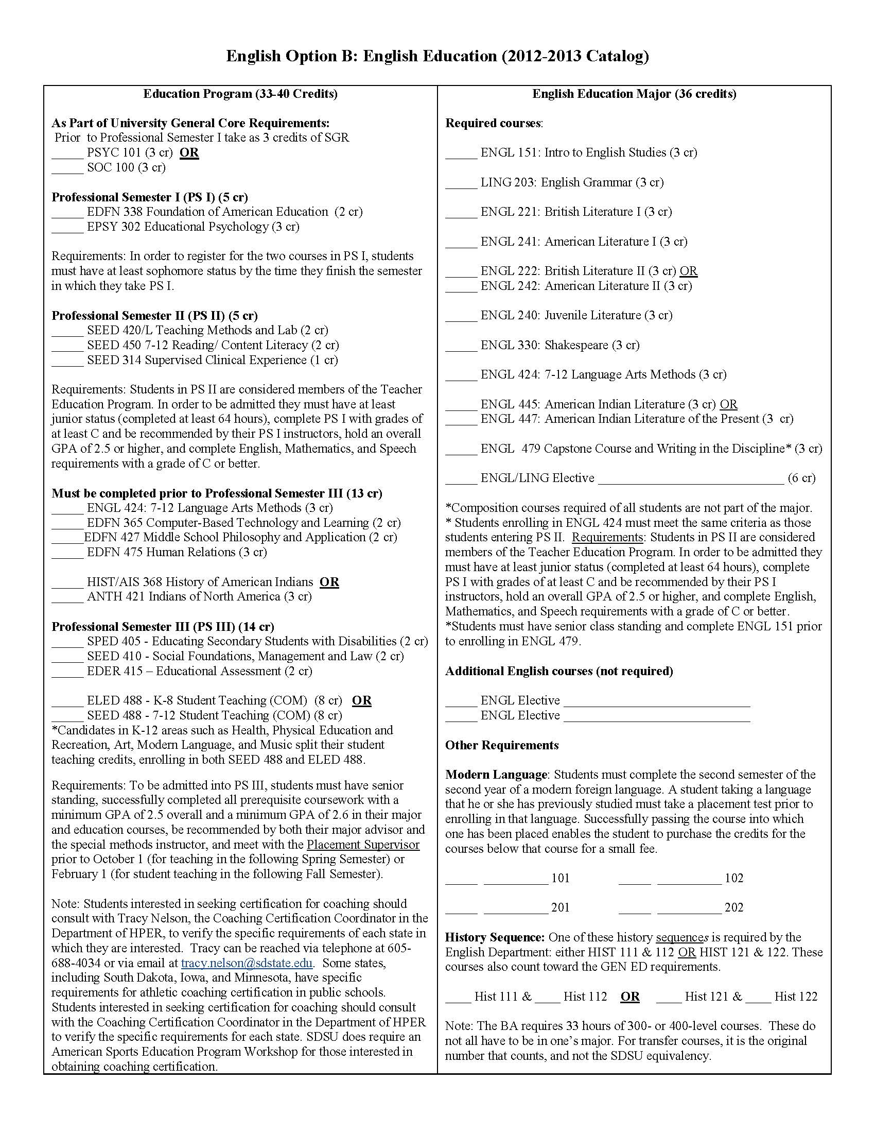
PDF: English List of Courses and Requirements
English Education

